MSW HK
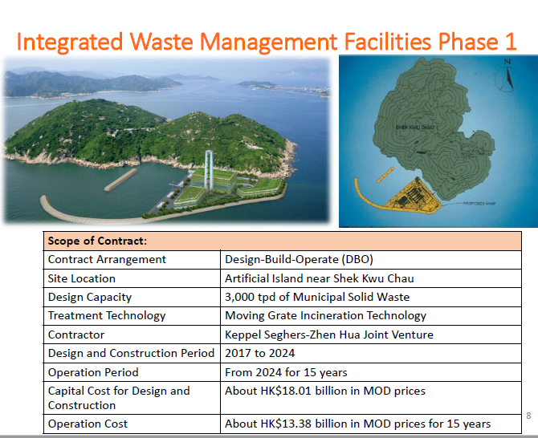
construction | 18.01 | billion HKD | excahneg rate | 0.1276
Operation | 1.338 | billion HKD/year

construction | 2.298076 | billion USD
Operation | 0.1707288 | billion USD

capacity | 165 | MW

cost | 14,962,453.33

